E3 data on peak
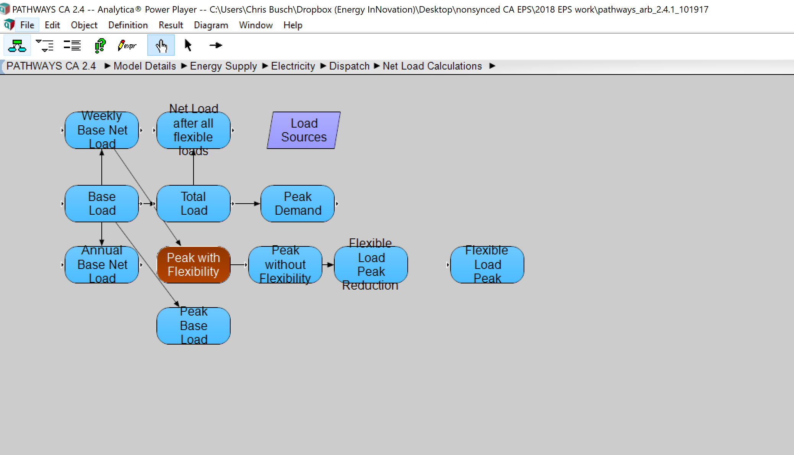
TextTable Value Peak_with_Flexibilit
Electricity_Dispatch | 2010 | 2011 | 2012 | 2013 | 2014 | 2015 | 2016 | 2017 | 2018 | 2019 | 2020 | 2021 | 2022 | 2023 | 2024 | 2025 | 2026 | 2027 | 2028 | 2029 | 2030 | 2031 | 2032 | 2033 | 2034 | 2035 | 2036 | 2037 | 2038 | 2039 | 2040 | 2041 | 2042 | 2043 | 2044 | 2045 | 2046 | 2047 | 2048 | 2049 | 2050
Active_Cases
Updated Reference | 5.86E+04 | 5.80E+04 | 5.49E+04 | 5.40E+04 | 5.22E+04 | 4.87E+04 | 4.78E+04 | 4.81E+04 | 4.77E+04 | 4.81E+04 | 4.85E+04 | 4.85E+04 | 4.84E+04 | 4.84E+04 | 4.85E+04 | 4.96E+04 | 4.99E+04 | 5.01E+04 | 5.03E+04 | 5.05E+04 | 5.07E+04 | 5.09E+04 | 5.12E+04 | 5.15E+04 | 5.18E+04 | 5.22E+04 | 5.25E+04 | 5.28E+04 | 5.32E+04 | 5.35E+04 | 5.39E+04 | 5.43E+04 | 5.47E+04 | 5.51E+04 | 5.55E+04 | 5.59E+04 | 5.63E+04 | 5.67E+04 | 5.72E+04 | 5.76E+04 | 5.80E+04

